LCA Salmon
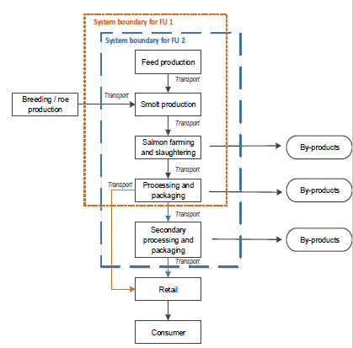
LCA of aquaculture salmon

1 | Goal and scope
 | Functional unit 1 | 1 kg fresh salmon head on gutted
 | Functional unit 2 | 1 kg smoked salmon fillets

2 | Inventory
 | Iceland Producer | Smolt production
 |  | Aquaculture salmon farm
 | French Producer | smokehouse

 | Smolt Definition: a young salmon at the stage when it migrates from fresh water to the sea

Impact assessment of 1 kg salmon fillets
 | Smolt production | Aquaculture farm | Aquaculture salmon feed | Sea freight to Europe | Smokehouse | Packaging Smokehouse
Water depletition | 0.3 | 11.5 | 3 | 0.2 | 82.5 | 2.5
Abiotic resource depletition | 4 | 12 | 43 | 15 | 20 | 6
Land use | 6 | 5 | 62.4 | 0.1 | 26 | 0.5
Ecotoxicity | 2 | 3 | 89 | 1 | 4 | 1
Human Tox - cancer | 1 | 24 | 14 | 14 | 38 | 9
Human Tox - non cancer | 3 | 19 | 31 | 10 | 24 | 13
Acidification | 2 | 23 | 60 | 7 | 5.5 | 2.5
EP-freshwater | 2 | 20 | 41 | 5 | 21 | 11
EP-marine | 3 | 93 | 4
EP-terrestrial | 3 | 16.7 | 66.3 | 6 | 5 | 3
GWP | 2 | 23 | 53 | 8 | 10 | 4
3 | Impact assessment of 1 kg smoked salmon fillets
 |  | in % |  |  |  |  |  |  | in %
 | Impact categories | Smolt production | Aquaculture farm | Aquaculture salmon feed | Sea freight to Europe | Smokehouse | Packaging Smokehouse | Impact categories | Smolt production | Aquaculture farm | Aquaculture salmon feed | Sea freight to Europe | Smokehouse | Packaging Smokehouse
 | GWP | 2 | 23 | 53 | 8 | 10 | 4 | Water depletition | 0.3 | 11.5 | 3 | 0.2 | 82.5 | 2.5
 | EP-terrestrial | 3 | 16.7 | 66.3 | 6 | 5 | 3 | Abiotic resource depletition | 4 | 12 | 43 | 15 | 20 | 6
 | EP-marine | 3 | 93 | 4 |  |  |  | Land use | 6 | 5 | 62.4 | 0.1 | 26 | 0.5
 | EP-freshwater | 2 | 20 | 41 | 5 | 21 | 11 | Ecotoxicity | 2 | 3 | 89 | 1 | 4 | 1
 | Acidification | 2 | 23 | 60 | 7 | 5.5 | 2.5 | Human Tox - cancer | 1 | 24 | 14 | 14 | 38 | 9
 | Human Tox - non cancer | 3 | 19 | 31 | 10 | 24 | 13 | Human Tox - non cancer | 3 | 19 | 31 | 10 | 24 | 13
 | Human Tox - cancer | 1 | 24 | 14 | 14 | 38 | 9 | Acidification | 2 | 23 | 60 | 7 | 5.5 | 2.5
 | Ecotoxicity | 2 | 3 | 89 | 1 | 4 | 1 | EP-freshwater | 2 | 20 | 41 | 5 | 21 | 11
 | Land use | 6 | 5 | 62.4 | 0.1 | 26 | 0.5 | EP-marine | 3 | 93 | 4
 | Abiotic resource depletition | 4 | 12 | 43 | 15 | 20 | 6 | EP-terrestrial | 3 | 16.7 | 66.3 | 6 | 5 | 3
 | Water depletition | 0.3 | 11.5 | 3 | 0.2 | 82.5 | 2.5 | GWP | 2 | 23 | 53 | 8 | 10 | 4

 |  |  | CAUSION --> Inverse table for graph

4 | Interpretation
 | Production of aquaculture salmon feed main contributor in 7 of the 11 assessed impact categories
 | –Fuel use, fertilisers, pesticides
 | Nutrient pollution main contributor to marine eutrophication
 | –Uneaten feed, faeces and dead fish
 | Smokehouse operation contributes most to human toxicity and water depletion
 | Benchmarking:
 | –5.0 kg CO2-eq/kg smoked salmon fillet
 | –2.7 kg CO2-eq/kg salmon, head on gutted

