FAO2021_Potatoes world product
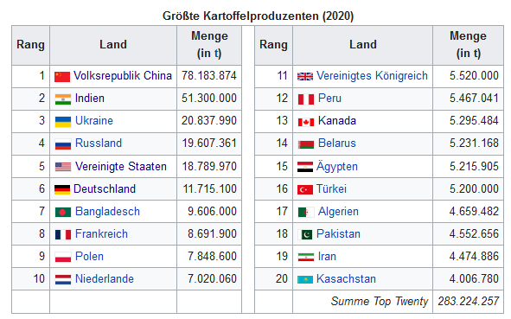
Domain Code | Domain | Area Code (FAO) | Area | Element Code | Element | Item Code (FAO) | Item | Year Code | Unit | Value | Flag | Flag Description
QCL | Crops and livestock products | 21 | Brazil | 5312 | Area harvested | 116 | Potatoes | 2020 | ha | 117253 |  | Official data
QCL | Crops and livestock products | 21 | Brazil | 5419 | Yield | 116 | Potatoes | 2020 | hg/ha | 321337 | Fc | Calculated data
QCL | Crops and livestock products | 21 | Brazil | 5510 | Production | 116 | Potatoes | 2020 | tonnes | 3767769 |  | Official data
QCL | Crops and livestock products | 33 | Canada | 5312 | Area harvested | 116 | Potatoes | 2020 | ha | 143616 |  | Official data
QCL | Crops and livestock products | 33 | Canada | 5419 | Yield | 116 | Potatoes | 2020 | hg/ha | 368725 | Fc | Calculated data
QCL | Crops and livestock products | 33 | Canada | 5510 | Production | 116 | Potatoes | 2020 | tonnes | 5295484 |  | Official data
QCL | Crops and livestock products | 351 | China | 5312 | Area harvested | 116 | Potatoes | 2020 | ha | 4218188 | A | Aggregate, may include official, semi-official, estimated or calculated data
QCL | Crops and livestock products | 351 | China | 5419 | Yield | 116 | Potatoes | 2020 | hg/ha | 185474 | Fc | Calculated data
QCL | Crops and livestock products | 351 | China | 5510 | Production | 116 | Potatoes | 2020 | tonnes | 78236596 | A | Aggregate, may include official, semi-official, estimated or calculated data
QCL | Crops and livestock products | 59 | Egypt | 5312 | Area harvested | 116 | Potatoes | 2020 | ha | 178608 | Im | FAO data based on imputation methodology
QCL | Crops and livestock products | 59 | Egypt | 5419 | Yield | 116 | Potatoes | 2020 | hg/ha | 292031 | Fc | Calculated data
QCL | Crops and livestock products | 59 | Egypt | 5510 | Production | 116 | Potatoes | 2020 | tonnes | 5215905 | Im | FAO data based on imputation methodology
QCL | Crops and livestock products | 178 | Eritrea | 5312 | Area harvested | 116 | Potatoes | 2020 | ha | 141 | Im | FAO data based on imputation methodology
QCL | Crops and livestock products | 178 | Eritrea | 5419 | Yield | 116 | Potatoes | 2020 | hg/ha | 3830 | Fc | Calculated data
QCL | Crops and livestock products | 178 | Eritrea | 5510 | Production | 116 | Potatoes | 2020 | tonnes | 54 | Im | FAO data based on imputation methodology
QCL | Crops and livestock products | 238 | Ethiopia | 5312 | Area harvested | 116 | Potatoes | 2020 | ha | 85988 |  | Official data
QCL | Crops and livestock products | 238 | Ethiopia | 5419 | Yield | 116 | Potatoes | 2020 | hg/ha | 132794 | Fc | Calculated data
QCL | Crops and livestock products | 238 | Ethiopia | 5510 | Production | 116 | Potatoes | 2020 | tonnes | 1141872 |  | Official data
QCL | Crops and livestock products | 79 | Germany | 5312 | Area harvested | 116 | Potatoes | 2020 | ha | 273500 |  | Official data
QCL | Crops and livestock products | 79 | Germany | 5419 | Yield | 116 | Potatoes | 2020 | hg/ha | 428340 | Fc | Calculated data
QCL | Crops and livestock products | 79 | Germany | 5510 | Production | 116 | Potatoes | 2020 | tonnes | 11715100 |  | Official data
QCL | Crops and livestock products | 100 | India | 5312 | Area harvested | 116 | Potatoes | 2020 | ha | 2158000 |  | Official data
QCL | Crops and livestock products | 100 | India | 5419 | Yield | 116 | Potatoes | 2020 | hg/ha | 237720 | Fc | Calculated data
QCL | Crops and livestock products | 100 | India | 5510 | Production | 116 | Potatoes | 2020 | tonnes | 51300000 |  | Official data
QCL | Crops and livestock products | 105 | Israel | 5312 | Area harvested | 116 | Potatoes | 2020 | ha | 14184 | Im | FAO data based on imputation methodology
QCL | Crops and livestock products | 105 | Israel | 5419 | Yield | 116 | Potatoes | 2020 | hg/ha | 351712 | Fc | Calculated data
QCL | Crops and livestock products | 105 | Israel | 5510 | Production | 116 | Potatoes | 2020 | tonnes | 498868 |  | Official data
QCL | Crops and livestock products | 106 | Italy | 5312 | Area harvested | 116 | Potatoes | 2020 | ha | 47350 |  | Official data
QCL | Crops and livestock products | 106 | Italy | 5419 | Yield | 116 | Potatoes | 2020 | hg/ha | 302988 | Fc | Calculated data
QCL | Crops and livestock products | 106 | Italy | 5510 | Production | 116 | Potatoes | 2020 | tonnes | 1434650 |  | Official data
QCL | Crops and livestock products | 108 | Kazakhstan | 5312 | Area harvested | 116 | Potatoes | 2020 | ha | 193806 |  | Official data
QCL | Crops and livestock products | 108 | Kazakhstan | 5419 | Yield | 116 | Potatoes | 2020 | hg/ha | 206742 | Fc | Calculated data
QCL | Crops and livestock products | 108 | Kazakhstan | 5510 | Production | 116 | Potatoes | 2020 | tonnes | 4006780 |  | Official data
QCL | Crops and livestock products | 113 | Kyrgyzstan | 5312 | Area harvested | 116 | Potatoes | 2020 | ha | 76315 |  | Official data
QCL | Crops and livestock products | 113 | Kyrgyzstan | 5419 | Yield | 116 | Potatoes | 2020 | hg/ha | 173906 | Fc | Calculated data
QCL | Crops and livestock products | 113 | Kyrgyzstan | 5510 | Production | 116 | Potatoes | 2020 | tonnes | 1327163 |  | Official data
QCL | Crops and livestock products | 119 | Latvia | 5312 | Area harvested | 116 | Potatoes | 2020 | ha | 8500 |  | Official data
QCL | Crops and livestock products | 119 | Latvia | 5419 | Yield | 116 | Potatoes | 2020 | hg/ha | 213059 | Fc | Calculated data
QCL | Crops and livestock products | 119 | Latvia | 5510 | Production | 116 | Potatoes | 2020 | tonnes | 181100 |  | Official data
QCL | Crops and livestock products | 173 | Poland | 5312 | Area harvested | 116 | Potatoes | 2020 | ha | 225740 |  | Official data
QCL | Crops and livestock products | 173 | Poland | 5419 | Yield | 116 | Potatoes | 2020 | hg/ha | 347683 | Fc | Calculated data
QCL | Crops and livestock products | 173 | Poland | 5510 | Production | 116 | Potatoes | 2020 | tonnes | 7848600 |  | Official data
QCL | Crops and livestock products | 185 | Russian Federation | 5312 | Area harvested | 116 | Potatoes | 2020 | ha | 1178098 |  | Official data
QCL | Crops and livestock products | 185 | Russian Federation | 5419 | Yield | 116 | Potatoes | 2020 | hg/ha | 166432 | Fc | Calculated data
QCL | Crops and livestock products | 185 | Russian Federation | 5510 | Production | 116 | Potatoes | 2020 | tonnes | 19607361 |  | Official data
QCL | Crops and livestock products | 202 | South Africa | 5312 | Area harvested | 116 | Potatoes | 2020 | ha | 68237 | Im | FAO data based on imputation methodology
QCL | Crops and livestock products | 202 | South Africa | 5419 | Yield | 116 | Potatoes | 2020 | hg/ha | 373257 | Fc | Calculated data
QCL | Crops and livestock products | 202 | South Africa | 5510 | Production | 116 | Potatoes | 2020 | tonnes | 2546996 | Im | FAO data based on imputation methodology
QCL | Crops and livestock products | 203 | Spain | 5312 | Area harvested | 116 | Potatoes | 2020 | ha | 65400 |  | Official data
QCL | Crops and livestock products | 203 | Spain | 5419 | Yield | 116 | Potatoes | 2020 | hg/ha | 313735 | Fc | Calculated data
QCL | Crops and livestock products | 203 | Spain | 5510 | Production | 116 | Potatoes | 2020 | tonnes | 2051830 |  | Official data
QCL | Crops and livestock products | 230 | Ukraine | 5312 | Area harvested | 116 | Potatoes | 2020 | ha | 1325200 |  | Official data
QCL | Crops and livestock products | 230 | Ukraine | 5419 | Yield | 116 | Potatoes | 2020 | hg/ha | 157244 | Fc | Calculated data
QCL | Crops and livestock products | 230 | Ukraine | 5510 | Production | 116 | Potatoes | 2020 | tonnes | 20837990 |  | Official data
QCL | Crops and livestock products | 231 | United States of America | 5312 | Area harvested | 116 | Potatoes | 2020 | ha | 369930 |  | Official data
QCL | Crops and livestock products | 231 | United States of America | 5419 | Yield | 116 | Potatoes | 2020 | hg/ha | 507933 | Fc | Calculated data
QCL | Crops and livestock products | 231 | United States of America | 5510 | Production | 116 | Potatoes | 2020 | tonnes | 18789970 |  | Official data

Land Consumption
2020 | POTATOES | Landuse in 1.000 ha
Land country | Landfläche gesamt / Country area total | Fläche / area harvested |  | Production | Ausbeute Yield
Bezugsgröße / reference value | in [1.000 ha] | in [1000 ha] | in [%] | in [t] | hg/ha | kg/ha | t/ha
Brazil | 851.577 | 117 | 0.014 | 3767769 | 321337 | 32134 | 32.1
China | 959.696 | 4218 | 0.44 | 78236596 | 185474 | 18547 | 18.5
India | 328.726 | 2158 | 0.66 | 51300000 | 237720 | 23772 | 23.8
USA | 982.668 | 370 | 0.04 | 18789970 | 507933 | 50793 | 50.8
Spain | 50.597 | 65 | 0.13 | 2051830 | 313735 | 31374 | 31.4
Israel | 2.238 | 142 | 6.34 | 498868 | 351712 | 35171 | 35.2
Italy | 30.134 | 47 | 0.16 | 1434650 | 302988 | 30299 | 30.3
Russian Federation | 14.452.664 | 1178 | 0.008 | 19607361 | 166432 | 16643 | 16.6
South Africa | 122.104 | 68 | 0.056 | 2546996 | 373257 | 37326 | 37.3
Germany | 35.759 | 274 | 0.77 | 117151000 | 428340 | 42834 | 42.8
Latvia | 6.459 | 9 | 0.14 | 181100 | 213059 | 21306 | 21.3
Poland | 31.270 | 226 | 0.73 | 7848600 | 347683 | 34768 | 34.8
Egypt | 100.145 | 179 | 0.18 | 5215905 | 292031 | 29203 | 29.2

data 2019/20, www.faostat.org |  | Landuse in 1.000 ha
Land Country | Bezugsgröße Allocation | Landfläche Area total | Ackerland arable land | Dauerkultur permanent crops | Weideland permanent meadows | Potatoes |  | Landfläche Area total | Ackerland arable land | Dauerkultur permanent crops | Weideland permanent meadows | Potatoes
Brazil | in [ha] | 851.577 | 55762 | 7756 | 173361 | 117 |  | 100 | 17.16 | 4.47 | 6.26 | 6.34
Israel Land Use 2019 [in %]
 | in [%] |  | 6.55 | 0.91 | 20.36 | 0.014
China | in [ha] | 959.696 | 119513 | 16206 | 392834 | 4218
 | in [%] |  | 12.45 | 1.69 | 40.93 | 0.44
Egypt | in [ha] | 100.145 | 2911 | 925 |  | 179
 | in [%] |  | 2.91 | 0.92 |  | 0.18
Germany | in [ha] | 35.759 | 11714 | 200 | 4751 | 277
 | in [%] |  | 32.76 | 0.56 | 13.29 | 0.77
India | in [ha] | 328.726 | 156416 | 13000 | 10258 | 2158
 | in [%] |  | 47.58 | 3.95 | 3.12 | 0.66
Israel | in [ha] | 2.238 | 384 | 100 | 140 | 142
 | in [%] |  | 17.16 | 4.47 | 6.26 | 6.34
Italy | in [ha] | 30.134 | 6723 | 2437 | 3245 | 47
 | in [%] |  | 21.69 | 8.09 | 10.77 | 0.16
Latvia | in [ha] | 6.459 | 1319 | 9 | 632 | 8.5
 | in [%] |  | 20.42 | 0.14 | 9.79 | 0.14
Poland | in [ha] | 31.270 | 11055 | 340 | 3128 | 226
 | in [%] |  | 35.35 | 1.09 | 10 | 0.73
Russian Federation | in [ha] | 14.452.664 | 121649 | 1793 | 92052 | 1178
 | in [%] |  | 0.84 | 0.012 | 0.64 | 0.008
South Africa | in [ha] | 122.104 | 12000 | 413 | 83928 | 68
 | in [%] |  | 9.83 | 0.33 | 68.74 | 0.056
Spain | in [ha] | 50.597 | 11884 | 4886 | 9413 | 65
 | in [%] |  | 23.49 | 9.66 | 18.6 | 0.13
USA | in [ha] | 982.668 | 157737 | 2700 | 245374 | 370
 | in [%] |  | 16.05 | 0.27 | 24.97 | 0.04

data 2019/20, www.faostat.org |  | Potatoes - Production and Yield
Country / | Country Area | Area harvested |  | Production | Yield
Allocation | in [1.000 ha] | in [1000 ha] | in [%] | in [t] | hg/ha | kg/ha | t/ha
Brazil | 851.577 | 117 | 0.014 | 3767769 | 321337 | 32134 | 32.1
China | 959.696 | 4218 | 0.44 | 78236596 | 185474 | 18547 | 18.5 | Hektogramm pro/per Hektar
Egypt | 100.145 | 179 | 0.18 | 5215905 | 292031 | 29203 | 29.2 | hg/ha = 1 hg = 100 g = 0,1 kg
Germany | 35.759 | 274 | 0.77 | 117151000 | 428340 | 42834 | 42.8 | ha = 10.000 m²
India | 328.726 | 2158 | 0.66 | 51300000 | 237720 | 23772 | 23.8 | 1 km² = 100 ha
Israel | 2.238 | 142 | 6.34 | 498868 | 351712 | 35171 | 35.2 | 1 t = 1.000 kg
Italy | 30.134 | 47 | 0.16 | 1434650 | 302988 | 30299 | 30.3
Latvia | 6.459 | 9 | 0.14 | 181100 | 213059 | 21306 | 21.3
Poland | 31.270 | 226 | 0.73 | 7848600 | 347683 | 34768 | 34.8
Russian Federation | 14.452.664 | 1178 | 0.008 | 19607361 | 166432 | 16643 | 16.6
South Africa | 122.104 | 68 | 0.056 | 2546996 | 373257 | 37326 | 37.3
Spain | 50.597 | 65 | 0.13 | 2051830 | 313735 | 31374 | 31.4
USA | 982.668 | 370 | 0.04 | 18789970 | 507933 | 50793 | 50.8

Wasser Use
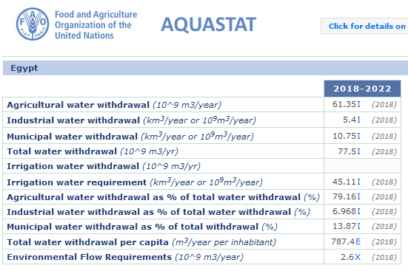
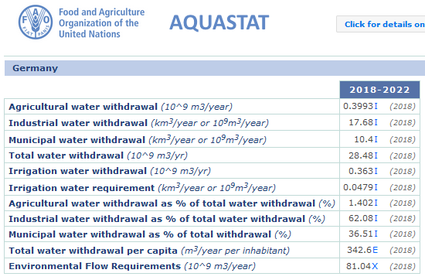
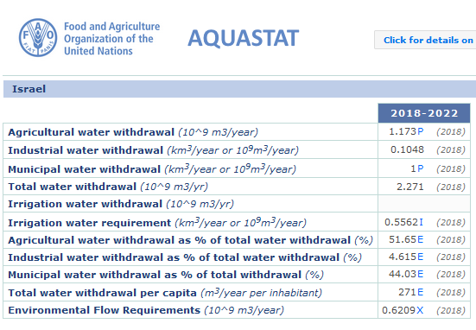
 |  |  |  |  |  |  |  |  |  |  |  |  |  | Water Footprint Grow 1 kg Potatoes | water source |  |  | total
 |  |  |  |  |  |  |  |  |  |  |  |  |  |  | green | blue | grey
 |  |  |  |  |  |  |  |  |  |  |  |  |  |  | [L] | [L] | [L] | [L]
Irrigated Crop Calendar 2006-2016 |  |  |  |  |  |  |  |  |  |  |  |  |  | Germany | 105 | 20 | 10 | 135
Irrigated Potatoes | Area | Crop Area as Percentage of the full Control equipped and actually irrigated area by month |  |  |  |  |  |  |  |  |  |  |  | Egypt |  | 360 | 40 | 400
 | 1000 ha | J | F | M | A | M | J | J | A | S | O | N | D | Israel |  | 185 | 15 | 200
Brazil | 23 | 0.5 | 0.5 | 0.5 |  |  |  |  |  |  |  | 0.5 | 0.5
China | 291 |  |  |  |  | 1.1 | 1.1 | 1.1 | 1.1 | 1.1 |  |  |  |  |  |  | red = estimated
Egypt | 158 |  |  |  |  | 4.4 | 4.4 | 4.4 | 4.4 | 4.4
France | 60 |  |  |  | 4.0 | 4.0 | 4.0 | 4.0 | 4.0
Germany | 23 |  |  |  | 9.7 | 9.7 | 9.7 | 9.7 | 9.7
Water Footprint (in L) Grow 1 kg POTATOES by country
 | Datenreihen1 | Datenreihen2 | Datenreihen3
Germany | 105 | 20 | 10
Egypt |  | 360 | 40
Israel |  | 185 | 15
India | 86 |  |  |  |  |  | 0.9 | 0.9 | 0.9 | 0.9 | 0.9
Israel | 18 |  |  |  |  | 9.9 | 9.9 | 9.9 | 9.9 | 9.9
Italy | 32 |  |  |  | 1.2 | 1.2 | 1.2 | 1.2 | 1.2
Kazakhstan | 60 | 5.1 | 5.1 | 5.1 | 5.1 | 5.1
Russian Fed: | 82 |  |  |  | 8.7 | 8.7 | 8.7 | 8.7 | 8.7
South Africa | 50 | 3.5 | 3.5 | 3.5 | 3.5 |  |  |  |  |  |  |  | 3.5
Spain | 38 |  |  |  | 1.2 | 1.2 | 1.2 | 1.2 | 1.2
USA | 291 |  |  |  | 2.9 | 2.9 | 2.9 | 2.9 | 2.9

